Sheet1
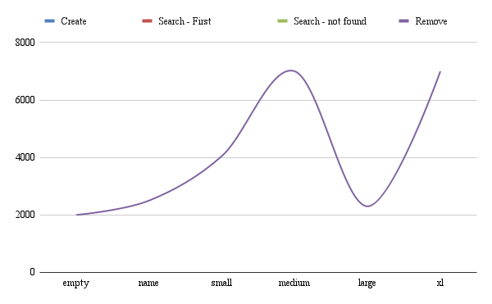
Linked List
Elapsed Time | empty | name | small | medium | large | xl
Create Insert (fill) | 200ns 500ns | 330ns 6000ns | 330ns 70000ns | 330ns 75000ns | 200ns 60000ns | 200ns 60000ns
Search - First Second - Last | 600ns 700ns | 7000ns 8000ns | 80000ns 90000ns | 80000ns 90000ns | 80000ns 90000ns | 80000ns 90000ns
Search - not found Read | 700ns | 500ns 600ns | 700ns | 800ns 900ns | 80000ns 90000ns | 80000ns 90000ns
Remove | 700ns | 600ns | 700ns | 300ns | 400ns | 300ns

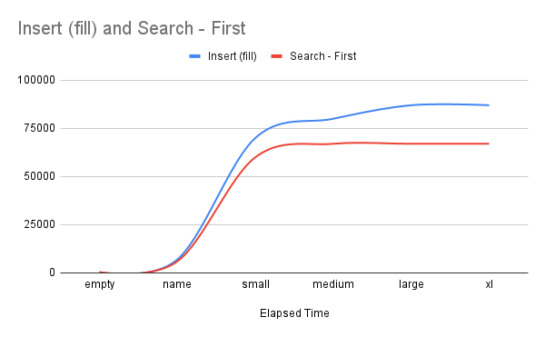
Sorted
Elapsed Time | empty | name | small | medium | large | xl
Create | 200 | 230 | 230 | 230 | 230 | 230
Insert (fill) | 370 | 7000 | 70000 | 80000 | 87000 | 87000
Search - First | 450 | 6000 | 60000 | 67000 | 67000 | 67000
Second - Last | 1000 | 3000 | 3500 | 4000 | 4000 | 4000
Search - not found | 2500 | 4700 | 5800 | 20000 | 20000 | 20000
Read | 2500 | 4700 | 5800 | 20000 | 20000 | 20000
Remove | 2500 | 4700 | 5800 | 20000 | 20000 | 20000

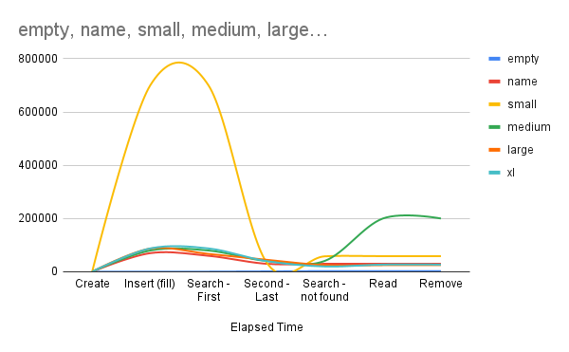
Stack
Elapsed Time | empty | name | small | medium | large | xl
Create | 270 | 260 | 230 | 230 | 230 | 230
Insert (fill) | 470 | 70080 | 700500 | 80000 | 87000 | 87700
Search - First | 470 | 60005 | 700500 | 80000 | 67000 | 87700
Second - Last | 1500 | 30004 | 35005 | 40700 | 45000 | 40070
Search - not found | 2500 | 30004 | 58006 | 40700 | 25000 | 20007
Read | 2500 | 30004 | 58600 | 200006 | 25000 | 27000
Remove | 2500 | 30004 | 58800 | 200004 | 25000 | 27000

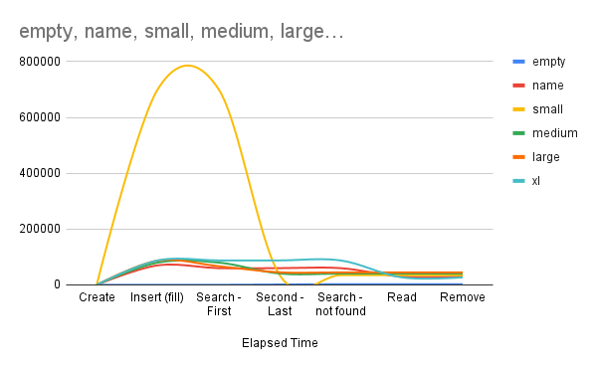
Treemap
Elapsed Time | empty | name | small | medium | large | xl
Create | 270 | 260 | 260 | 260 | 260 | 260
Insert (fill) | 270 | 70080 | 700500 | 80000 | 87000 | 87700
Search - First | 270 | 60005 | 700500 | 80000 | 67000 | 87700
Second - Last | 1500 | 60005 | 35005 | 40700 | 45000 | 87700
Search - not found | 2500 | 60005 | 35005 | 40700 | 45000 | 87700
Read | 2500 | 30004 | 35005 | 40700 | 45000 | 27000
Remove | 2500 | 30004 | 35005 | 40700 | 45000 | 27000

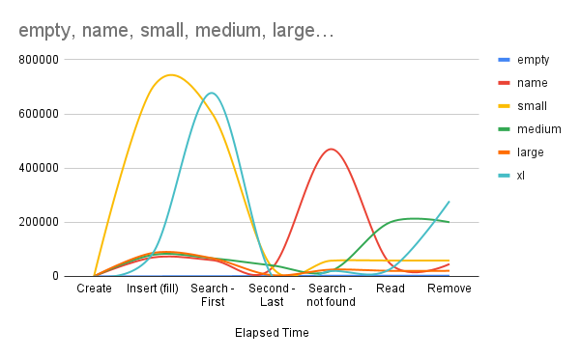
Array list
Elapsed Time | empty | name | small | medium | large | xl
Create | 270 | 260 | 230 | 230 | 230 | 230
Insert (fill) | 470 | 70080 | 700500 | 80000 | 87000 | 87700
Search - First | 670 | 60005 | 600005 | 67000 | 67000 | 677000
Second - Last | 1500 | 30004 | 35005 | 40700 | 4500 | 4007
Search - not found | 2500 | 470043 | 58006 | 20000 | 25000 | 20007
Read | 2500 | 47004 | 58600 | 200006 | 20500 | 27000
Remove | 2500 | 45700 | 58800 | 200004 | 20600 | 278000

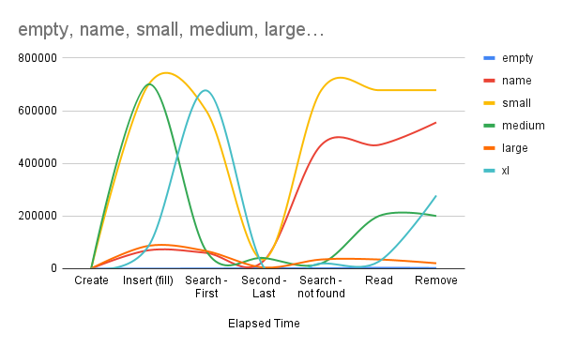
Hashmap
Elapsed Time | empty | name | small | medium | large | xl
Create | 270 | 660 | 660 | 660 | 660 | 660
Insert (fill) | 270 | 70080 | 700500 | 700500 | 87000 | 87000
Search - First | 670 | 60005 | 600005 | 67000 | 67000 | 677000
Second - Last | 1500 | 30004 | 35005 | 40700 | 4500 | 5507
Search - not found | 1500 | 470043 | 678006 | 20000 | 35000 | 20007
Read | 3500 | 470043 | 678006 | 200006 | 35000 | 27000
Remove | 2500 | 555700 | 678006 | 200004 | 20600 | 278000

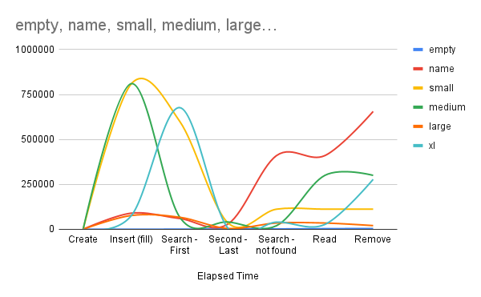
Hashmap
Elapsed Time | empty | name | small | medium | large | xl
Create | 200 | 230 | 230 | 230 | 230 | 230
Insert (fill) | 300 | 90000 | 810500 | 810500 | 77000 | 77000
Search - First | 770 | 60005 | 600005 | 67000 | 67000 | 677000
Second - Last | 2000 | 30004 | 35005 | 40700 | 4500 | 5007
Search - not found | 2000 | 410043 | 112006 | 20000 | 35000 | 40007
Read | 3500 | 410043 | 112006 | 300006 | 35000 | 27000
Remove | 4500 | 655700 | 112006 | 300006 | 20600 | 278000

